1. Title Page
Instacart Basket Analysis

Project Name: Instacart Analysis
Date: January, 2024
Analyst Name: Katja Pönigk

Contents | Tab
Population Flow | Page 2
Consistency Checks | Page 3
Wrangling Steps | Page 4
Column derivations | Page 5
Visualizations | Page 6
Recommendations | Page 7

Data Citation:
“The Instacart Online Grocery Shopping Dataset 2017”, Accessed from www.instacart.com/datasets/grocery-shopping-2017 via Kaggle on 23/12/2023
Note: The columns 'prices' and 'products' were added to the original data set for study purposes of the Career Foundry course.

2. Population Flow
Population flow

Exclusion flag
Condition:
Obervations to be removed:
1,440,295
Final total count of order_products_updated Total: 32,404,859 , Columns: 20

Orders_products_combined
Orders_products_merged
Orders_products_updated

Total: 32,434,489
Columns: 10
Total: 32,404,859
Columns: 13
Total: 32,404,859
Columns: 20

1.) The grey boxes in the first row of the population flow represent the original data sets as they were when you downloaded them. In the Total fields you need to add the count of the rows when you imported the data set into Jupyter.
2.) The second row of boxes (coloured) represents the data sets after you manipulated them, e.g., removed missing values and duplicates. In the Total fields you need to add the count of the rows after conducting these operations. This offers a visual oveview of how the data flows throughout the data consistency checks.
3.) The third row, where also the arrows are coloured, represents the merges you performed between the datasets. In the Total fields you need to add the count of the rows in the merged datasets, so that you end up with the final dataset (in the red box). Keep in mind the final dataset should be without exclusions (based on the exclusion flag).

3. Consistency checks
Consistency checks

Dataset | Dubplicates | Missing values | Column | Missing values treatment
Orders | no duplicates found | 206,209 values | days_since_prior_order | 206,209 missing values, the values remained in the dataset since the 'order_number' of each of these customers is 1
Products | 5 duplicates (rows) found and removed |  | product_name | removed/ dropped missing values
orders_products_prior | no duplicates found | no missing values found | N/A | no missing values to treat
Customers | no duplicates found | 11,259 NaN Values | first_name | Column was dropped for privacy pourposes and its irrelevancy to this analysis
orders_products_updated | no duplicates found | 5,127 NaN values | prices | Values were marked at pricing 14,900 and 99,999 and assumed inaccurate. Unable to impute values for products so they were convereted to NaN to prevent unreasonable outliers in the analysis.

4. Wrangling steps
Wrangling steps

Dataset | Columns dropped | Columns renamed | Columns' type changed | Comment/Reason
Orders | eval_set |  |  | 'eval_set' was dropped due to it being unnecessary for this analysis.
 |  | dow |  | 'dow' renamed to 'orders_day_of_week' - Renamed colmns for clarity.
 |  | order_number |  | order_number' renamed to 'clients_order_number' - Renamed colmns for clarity.
 |  |  | order_id | order_id' changed from INT to string type.
 |  |  | user_ id | user_id' changed from INT to string type.
Products | no changes | no changes | no changes
orders_products_prior | no changes | no changes | no changes
Customers | first_name |  |  | PII - Security risk - was dropped for client privacy and its irrelevancy to this analysis.
 | last_name / surnam |  |  | PII - Security risk - was dropped due to having 11k missing values and it's irlevancy in this analysis.
 |  | STATE |  | STATE' renamed to 'state' for improved identification
 |  | Surnam |  | mispelling, renamed to last_name
 |  | Gender |  | lowercase the G
 |  | Age |  | lowercase the A
 |  | fam_status |  | changed fam to marital_status to better understanding
 |  |  | user_ id | 'user_id' changed from INT to string type.
 |  |  | First Name | because its mixed type changed to string

5. Column derivations
Column derivations and aggregations

Dataset | New column | Column/s it was derived from | Conditions
Orders | No updates. | N/A | N/A
Products | No updates. | N/A | N/A
Orders_products_prior | No updates. | N/A | N/A
Customers | No updates. | N/A | N/A
Orders_products_combined | No updates. | N/A | N/A
Orders_products_merged | price_label | prices | Created using user-def syntax Low-Range Products value < 5 Mid-Range product value > 5 to <=15 High Range product value > 15
 | busiest_day | orders_day_of_week | Created using is loop syntax busiest day ==0 least busy day ==4 regulalrly busy day all else
 | busiest_days | orders_day_of_week | Created using is loop syntax busiest day <=1 least busy day ==4 & ==3 regulalrly busy day all else
 | busiest_period_of_day | order_hour_of_day | Created using loop syntax least orders <= 9 average orders >= 17 most orders all else
 | max_order | Grouped by 'user_id'. Aggregated column 'clients_order_number' | Column was created to add up a client's total number of orders and was used in various exclusionary flags.
 | loyalty_flag | Grouped by 'user_id'. Aggregated column 'clients_order_number' | Aggrigated data (using the max_order column) to find the max value of user's order's. Flag was created seperating users by: Loyal customer > over 40 orders <=40 to >10 regular Customers < 10 New customers
 | spending_flag | Grouped by 'user_id'. Aggregated column 'prices' | Aggrigated data to find the mean value of user's average spent between orders. Flag was created seperating users by: High spender >= over $10 on average Low Spender < Under $10 spent on average
 | FRQ_prior_order_flag | Grouped by 'user_id'. Aggregated column 'days_since_prior_order'. | Aggrigated data to find the median value of user's frequency of days between orders. Flag was created seperating users by: Frequent customer <= less than 10 days regular Customer <=20 to > 10 days between orders Non-frequent customers > more than 20 days between orders
Orders_products_updated | region | state' | results_region = [] for value in instacart_merged["state"]: if value == 'Maine' or value == 'New Hampshire' or value == 'Vermont' or value == 'Massachusetts' or value == 'Rhode Island' or value == 'Connecticut' or value == 'New York' or value == 'Pennsylvania' or value == 'New Jersey': results_region.append("Northeast") elif value == 'Wisconsin' or value == 'Michigan' or value == 'Illinois' or value == 'Indiana' or value == 'Ohio' or value == 'North Dakota' or value == 'South Dakota' or value == 'Nebraska' or value == 'Kansas' or value == 'Minnesota' or value == 'Iowa' or value == 'Missouri': results_region.append("Midwest") elif value == 'Delaware' or value == 'Maryland' or value == 'District of Columbia' or value == 'Virginia' or value == 'West Virginia' or value == 'North Carolina' or value == 'South Carolina' or value == 'Georgia' or value == 'Florida' or value == 'Kentucky' or value == 'Mississippi' or value == 'Alabama' or value == 'Oklahoma' or value == 'Texas' or value == 'Arkansas' or value == 'Louisiana': results_region.append("South") else: results_region.append("West")
 | order_frequency_flag | median_orders | ords_prods.loc[ords_prods['median_orders'] > 20, 'order_frequency_flag'] = 'Non-frequent customer' ords_prods.loc[(ords_prods['median_orders'] > 10) & (ords_prods['median_orders'] <= 20), 'order_frequency_flag'] = 'Regular customer' ords_prods.loc[ords_prods['median_orders'] <= 10, 'order_frequency_flag'] = 'Frequent customer'
 | age_group | Age | Clients were grouped by age using the .loc function. No specifics were provided on how to categorize age groups, so the customer base was divided into intervals. ords_prods.loc[(ords_prods['age'] >= 18) & (ords_prods['age'] <= 32), 'age_group'] = 'Young Adult: 18-32' ords_prods.loc[(ords_prods['age'] >= 33) & (ords_prods['age'] <= 48), 'age_group'] = 'Adult: 33-48' ords_prods.loc[(ords_prods['age'] >= 49) & (ords_prods['age'] <= 64), 'age_group'] = 'Middleaged Adult: 49-64' ords_prods.loc[(ords_prods['age'] >= 65), 'age_group'] = 'Senior: 65+'
 | income_level | income | Clients were grouped by income by the following categories using the .loc function #Creating income_level flag for Low income ords_prods.loc[(ords_prods['income'] >= 25000) & (ords_prods['income'] <= 67000), 'income_level'] = 'Low Income' #Creating income_level flag for Middle Level ords_prods.loc[(ords_prods['income'] >= 67001) & (ords_prods['income'] < 127000), 'income_level'] = 'Middle Income' #Creating income_level flag for Upper Level ords_prods.loc[ords_prods['income'] > 127001, 'income_level'] = 'Upper Income'

6. Visualizations
Visualisations

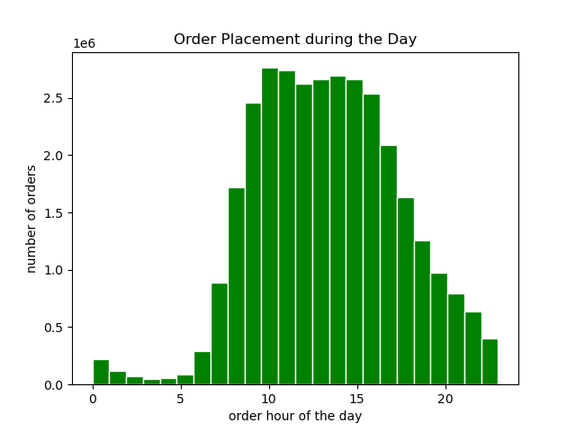
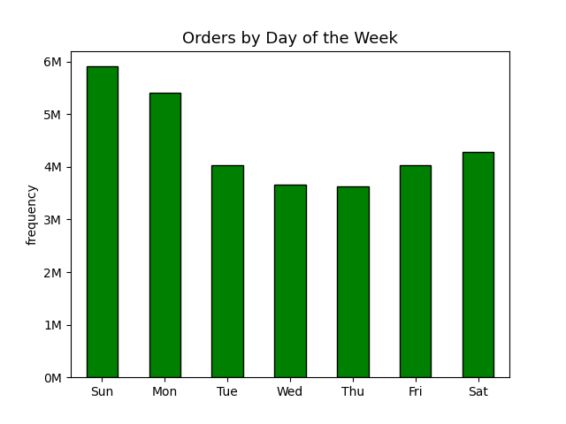

The bar chart, 'Orders by Day of Week' shows that Saturday with 5.9M and Sunday with 5.4M are the busiest days of the week, were the highest number of orders are placed, confirming that the majority of orders placed are on the weekends. Wednesday is the least busy day of the week with 3.7M.
The histogram 'Order Placement during the Day', shows the busiest hours for placing orders. The peak hours are between 10am to 4pm whereas the off peak ours with the minimum orders are between 12 am and 5 am. Most orders are being made between 10am to 11am.

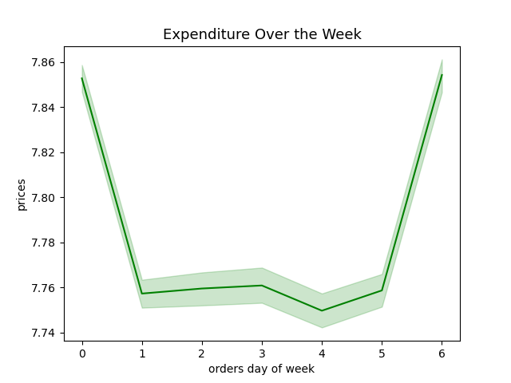
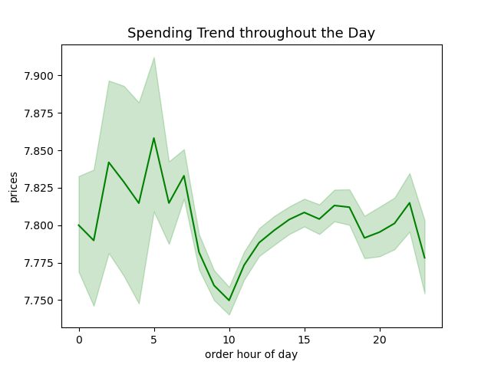
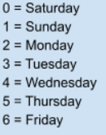

The line chart 'Expenditure over the week' shows that the price of the orders placed throughout the week increases on the weekend but the prices throughout the week are stagnant.
The line chart 'Spending Trend throughout the day' illustrates the spending trend throughout the day. Customers spend the most in the late night hours,
especially from 3am to 4am. The lowest expenses are at 10 am. Overall, expenses are high between 10pm till 7am, with several peaks at 10pm, 4am and 7am.

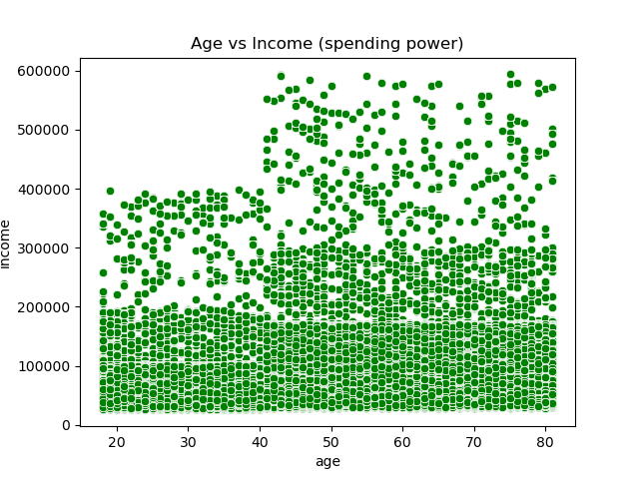
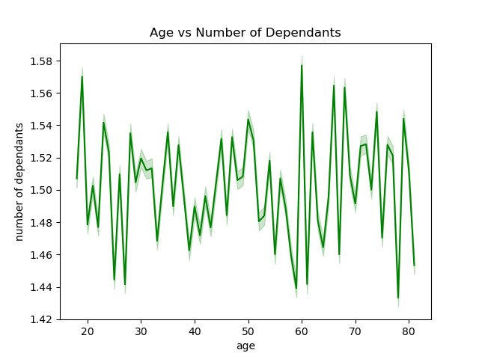
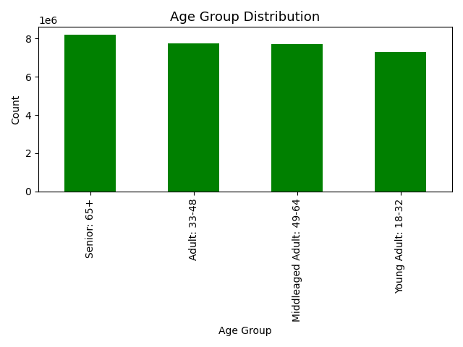

The scatterplot, 'Age vs Income,' illustrates that the majority of customer between 18 and 40 years old have income below 400,000 USD. Most customers have an income less than 200,000 USD. Customer between 18 to 40 years old have a lower spending power compared to above the above 40 years old.
Where as customers above 40 years old surpass the income sealing of 400,000 USD and have an income up to 600,000 USD, meaning the spending power increases above the age of 40 years old.
Thusly, the scatterplot shows that there is a correlation between age and income.
The line chart depicted above, 'Age and Number of Dependants' illustrates that there does not appear to be any correlation between age and number of dependents, meaning there is no connection between age and family situation.

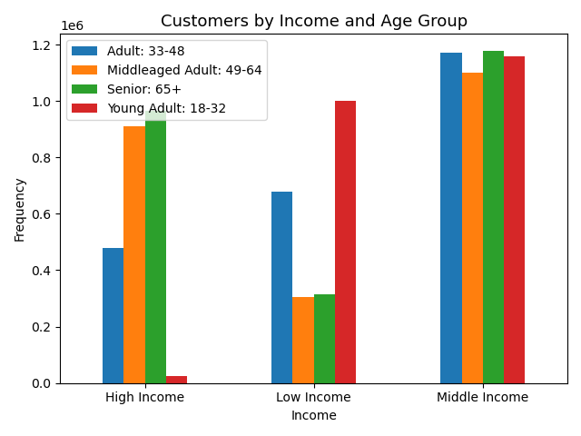
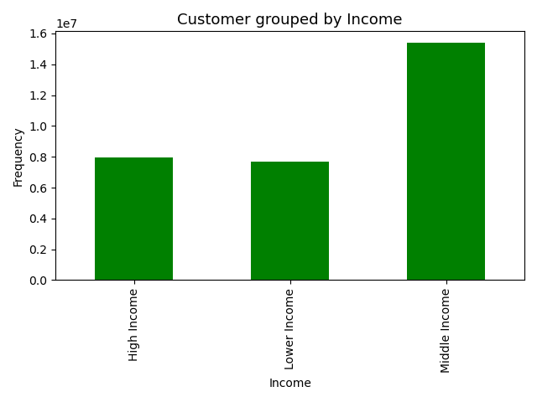

The bar chart above, ' Customer grouped by Income' shows that the most common income group of customers belong to the Middle Income group.
The bar chart, 'Customers by Income and Age Groups',' illustrates that the majority of income is distributed for indivdiuals in the middle income group. Additionally, it depicts that the 'Young Adult' age group is the least likely to be in the high income group and the most likely to be in the 'Low Income' group. Furthermore, the gragh shows how the 'Seniors (65+) are the most likely to enjoy a higher income while the 'Older Adults (50-64)and the Seniors (65+) are the least likely to be in the lower income levels.

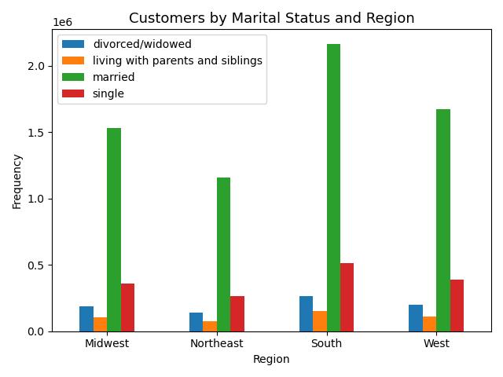

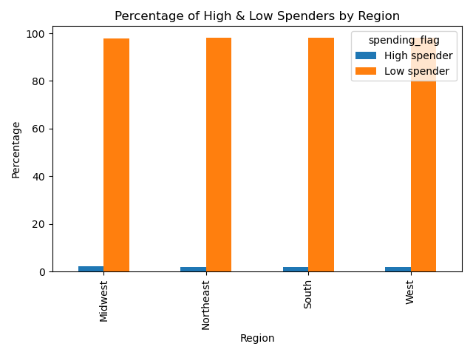

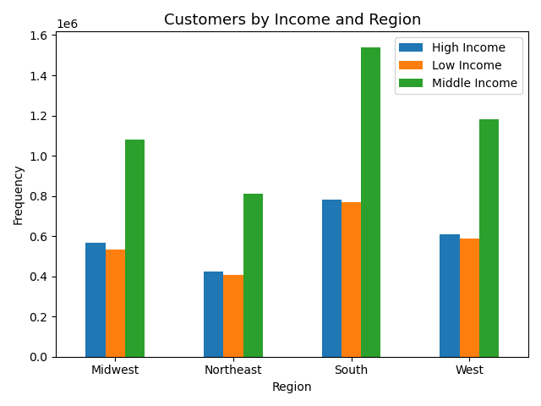

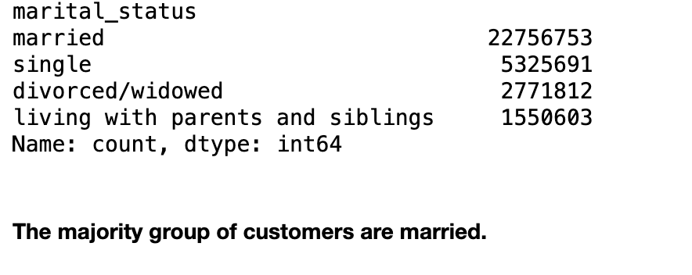
There is no significant regional difference between the percentages of high and low spenders. High spenders are right around 2% in each region, and low spenders are right around 98% in each region.

The bar chart 'Customer by Income and Region' shows the range of income levels by region. It illustrates that the Middle income is the most common Income Level throughout all regions, but primarily in the South, followed by the West, the Midwest and the Northeast.
The bar chart above depicts that throughout the regions the majority of individuals are marrried, particularily in the South. Even when looking at the majority group of all customers overall, most customers are married.

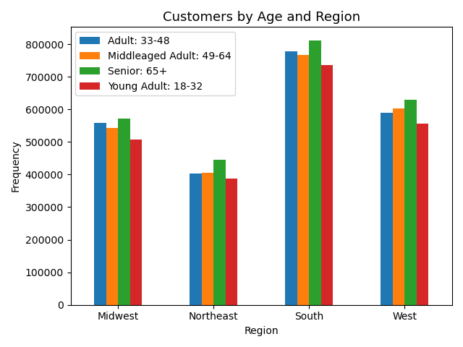

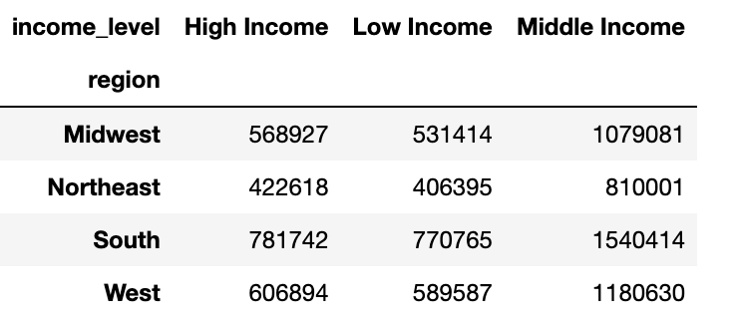

The bar chart 'Customer by Age and Region' shows that the majority of customers 18+ are located in the South and West. These regions are dominated by the age group Seniors 65+. The Northeast region has the least amount of customers.

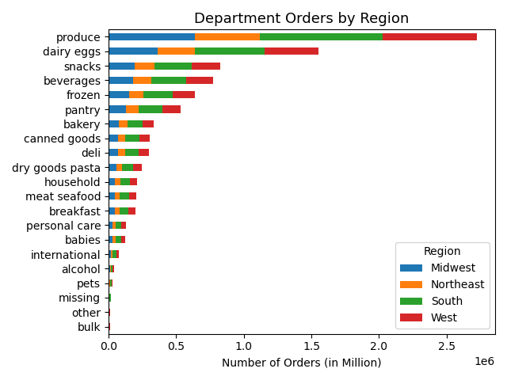
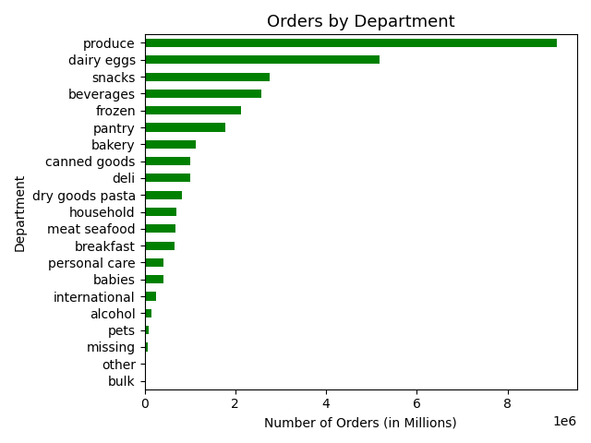

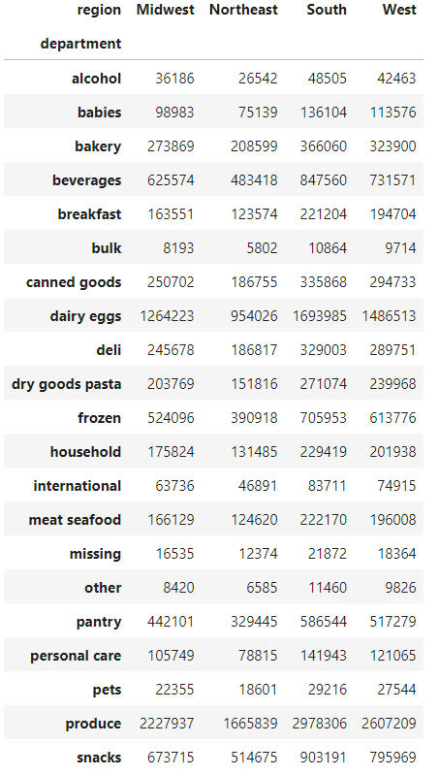

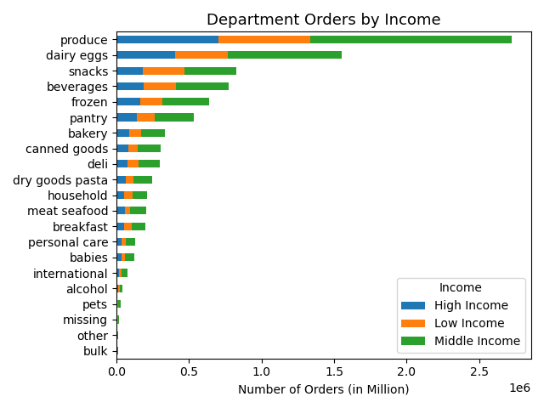

In the bar charts 'Department Orders by Region', 'Department Orders by Age 'Department Orders by Income', and 'Department Orders by Marital Status,' the commonality in all four of the chart is that regardless of age, income, region, or family status, 'produce' is the number one department order followed by 'dairy eggs', 'snacks', 'beverages' and 'frozen'.

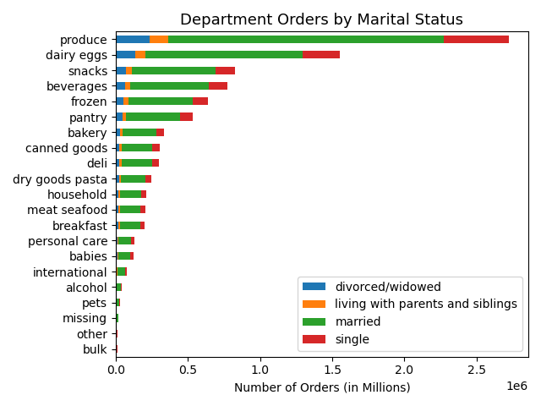

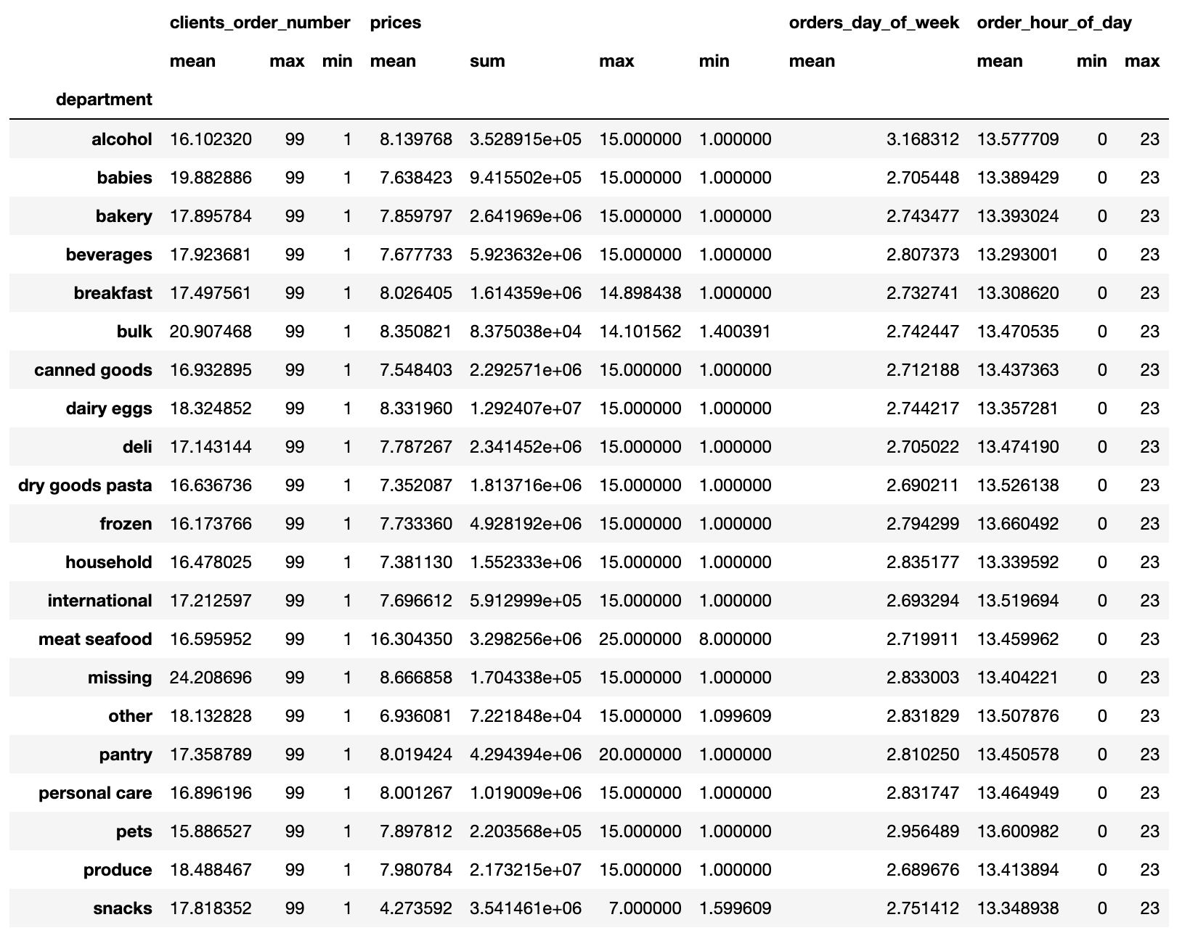

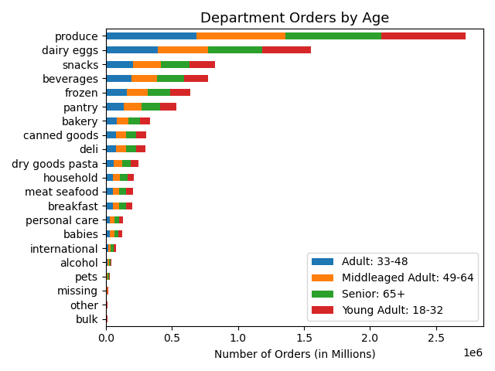

Customer Loyalty
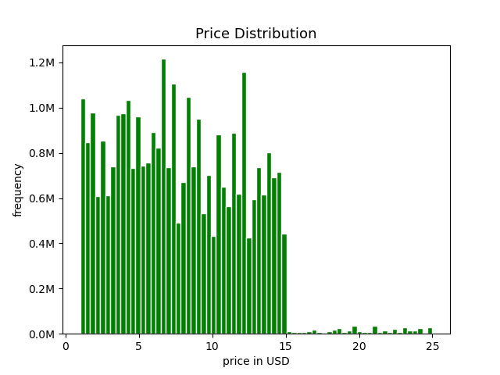

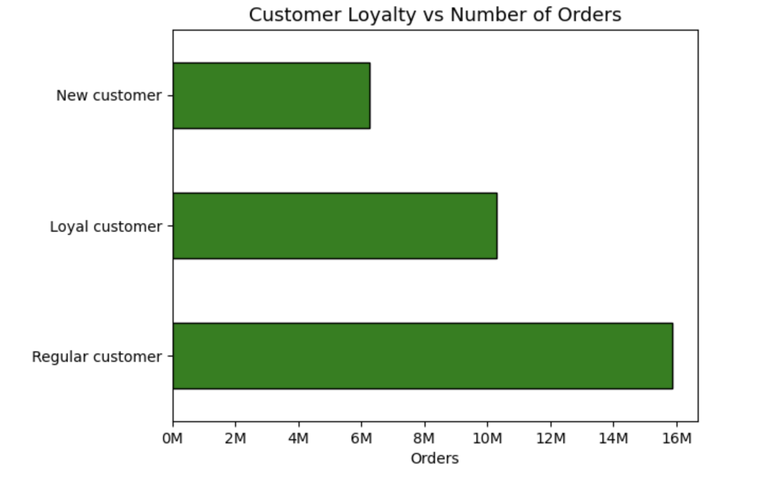

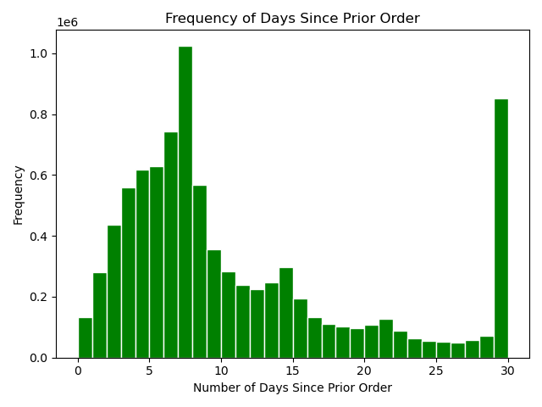

Price

Regarding the customer Loyalyty, most orders, 49% are placed by regular customers followed by loyal customers who placed 32% of the orders. The least orders, 19% were made by new customers.

7. Recommendations
Recommendations

Key Questions

Orders Hour of Day
Question | Answer | Graph
1. The sales team need to know what the busiest days of the week and hours of the day are (i.e., the days and times with most orders) in order to schedule ads at the time when there are fewer orders | The peak days for order placements are during the weekend, with Saturday recording the highest number of orders, followed by Sunday and Friday. The busiest hours for order placements fall between 9 am and 4 pm. Therefore, if the sales team intends to schedule ads during periods of lower order activity, I suggest placing ads after 4 pm on weekdays. Among weekdays, Wednesday stands out as the day with the fewest orders, followed by Tuesday and Monday.

2. Is there a particular time of the day when people spend the most money, as this might inform the type of products they advertise at these times | Customers show a tendency to purchase higher-priced items around 3 am and opt for more affordable items at 10 am. Furthermore, the orders placed during the week tend to have higher prices on the weekend, while prices remain relatively constant throughout the weekdays. In light of this, the sales team may find it beneficial to consider a promotion of the most expensive items, particularly around 3 am on the weekends.

3. Instacart has a lot of products with different price tags. Marketing and sales want to use simpler price range groupings to help direct their efforts | Most products fall within the $2-$15 price range, indicating that the majority of consumers have a preference for purchasing more affordable items.

4. Are there certain types of products that are more popular than others? The marketing and sales teams want to know which departments have the highest frequency of product orders. | The top five departments with the highest purchase frequency are, in order, 'produce,' 'dairy/eggs,' 'snack,' 'beverages,' and 'frozen.' Notably, there are no variations in the top five best-selling departments across different regions.

5. What's the distribution among users in regards to their brand loyalty? | The Loyalty_flag was employed to gather metrics on 'brand loyal consumers.' Customers with 40 orders or more are categorized as loyal customers. Those with less than 40 but more than 10 orders are identified as regular customers, and those with less than 10 orders are considered new customers. Regarding brand loyalty, the majority of returning customers fall into the regular customer category, followed by loyal customers and new customers.
Brand Loyalty

6. The marketing and sales teams are particularly interested in the different types of customers in their system and how their ordering behaviors differ. | The data suggests that users of Instacart earning over $200,000 annually are less prone to being brand loyal consumers or placing more than 40 orders compared to users with low and average incomes. The typical Instacart user falls within the income range of $67,000 to $128,000 per year. Individuals over 40 show a higher spending power, which can be set in consideration.

